Configuration
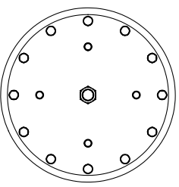
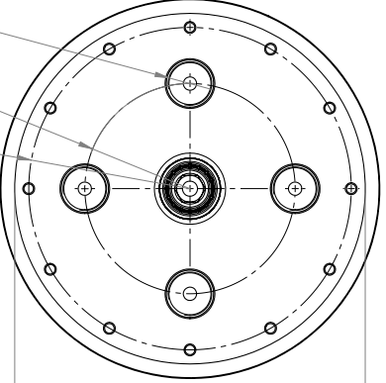
Test ports Nr | STANDARD | SIZE
1 | SAE | -4* |  | 1 |  |  | 1
2 | BSPP | G 1/8
3 |  |  | 2 |  | 4 | 2 |  | 4
4 |  |  |  | 3 |  |  | 3
Suction \ Return port Nr: | STANDARD | SIZE
1 |  |  | TOP |  |  | BOTTOM
2
3
4
Pressure Sensor
Pressure switch
Visual gauge
Air bleeding valve

